Sheet1
Conductive Fibc Bag

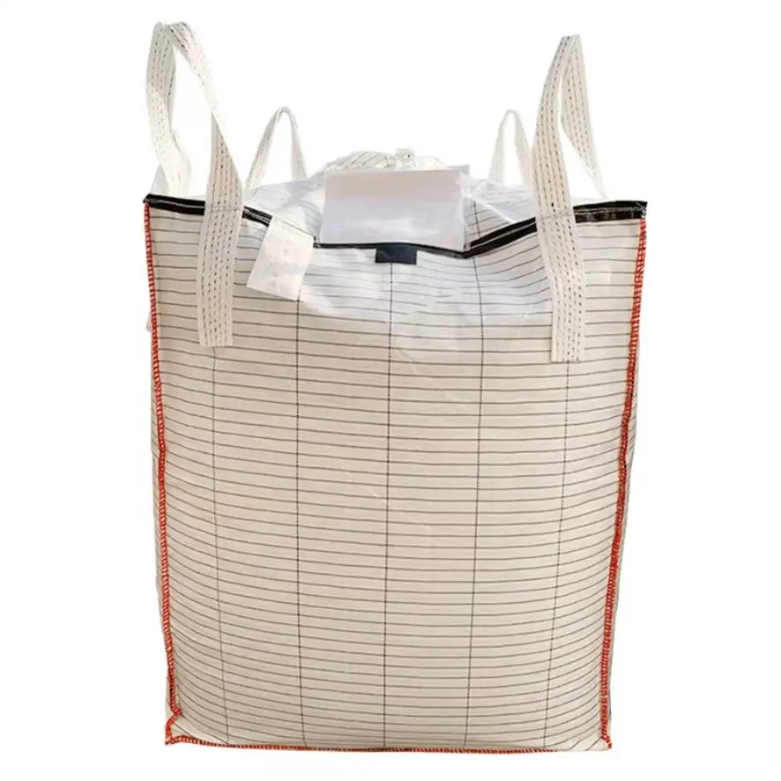
Features : Various Features of FIBC Bags
Type C Fibcs Refer To The Class Of Fibcs That Actually Protects Against Dangerous Static Discharges Through Grounding Of The Bag Itself During The Filing And Discharging Processes
These Bags Are Safe When Grounded Because Any Electrostatic Potential That Builds Up As A Result Of Rapid Filling Or Discharging Quickly And Safely Exits The Bag To Ground Via The Network Of Conductive Fibers Woven Into The Fabric Of The Bag.
Uses : It's is mainly used in following industries.
They Are An Industry Standard For Handling And Storage Of Combustible And Flammable Materials
It Is Mostly Used In Industrial Areas Where The Atmosphere Contains Highly Combustible, Flammable & Explosive Content & Materials.
Advantages : Following are the advantages.
There Is A Large Demand For These Types Of Packages To Mitigate Static Discharges In The Process.
These Bags Are Very Safe When Used Properly And Consistently.

